SOCCER KITS
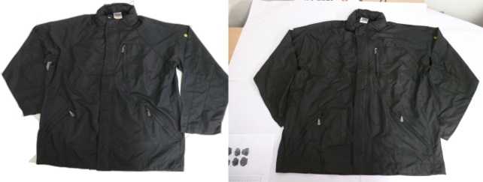
DESCRIPTION | COLOUR | XXS | XS | S | M | L | XL | TOTAL
MADRID 1/4 ZIP TRAINING JACKET | BLACK/GREY | 0 | 40 | 16 | 22 | 72 | 269 | 419
MADRID 1/4 ZIP TRAINING JACKET | BLACK/RED | 8 | 20 | 0 | 1 | 15 | 333 | 377
MADRID 1/4 ZIP TRAINING JACKET | NAVY/GREY | 0 | 29 | 0 | 3 | 41 | 383 | 456
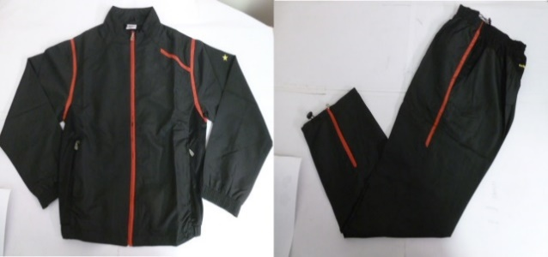
MILAN (OSGOOD) F/Z WATERPROOF JKT | NAVY | 0 | 42 | 34 | 75 | 144 | 418 | 713
MILAN (OSGOOD) F/Z WATERPROOF JKT | BLACK | 21 | 61 | 93 | 145 | 301 | 869 | 1490
SPORTS BIBS | NAVY | 0 | 140 | 0 | 0 | 0 | 330 | 470
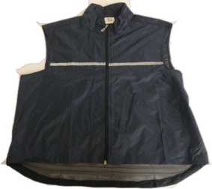
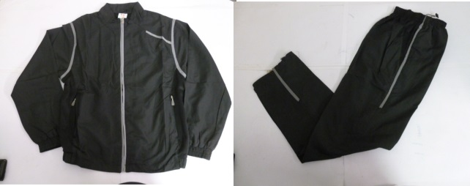
 |  |  |  |  |  |  |  | 3925

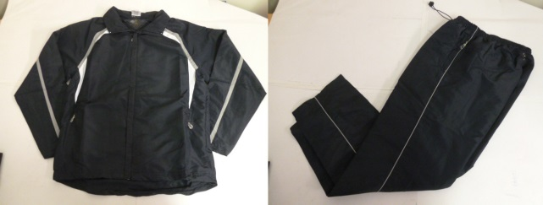
 |  |  | BIBS

